Test Scenarios
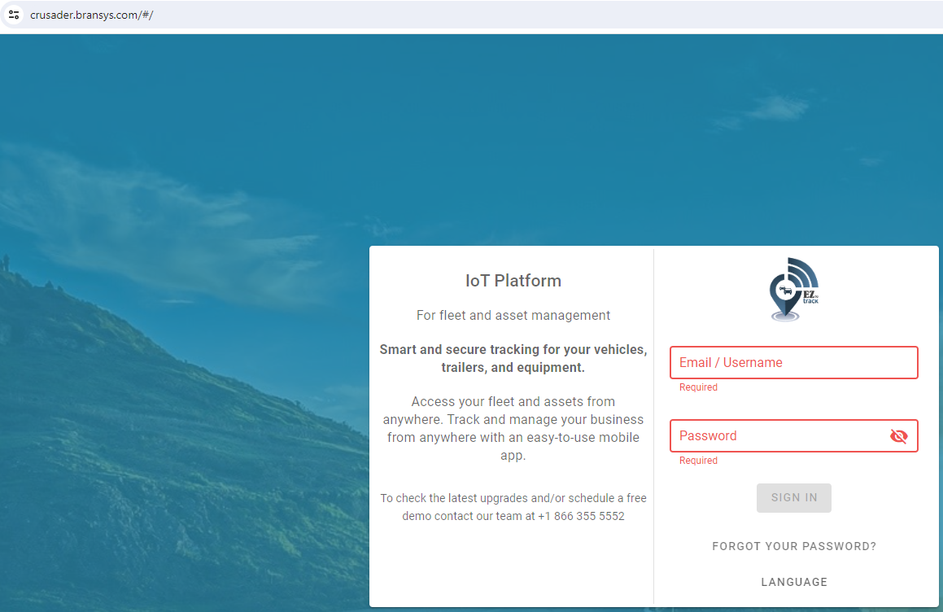
Bransys, exercise

User sotry:
As a customer I want to access my fleet and assets
I want to have a FrontEnd Application with login form.
So that I am able to enter the application and start tracking and managing my business.

Test Scenario:
Login page testing

ID | Test Case | Test data | Test steps | Expected result | Actual result (test evidence) | Screenshot | Status
TC001 | Presence of the Username field Description: "Username" field should be present on the login page |  | 1. go on the Login form https://crusader.bransys.com/#/ | "Username" field is presented on the login page | "Username" field is presented on the login page | 1 | PASS
 |  |  | 2. observe the page
TC002 | Presence of the Password field Description: "Password" field should be present on the login page |  | 1. go on the Login form https://crusader.bransys.com/#/ | "Password" field is presented on the login page | "Password" field is presented on the login page | 2 | PASS
 |  |  | 2. observe the page
TC003 | Text can be entered into the "Username" field Description: User should be able to enter text into the "Username" field |  | 1. go on the Login form https://crusader.bransys.com/#/ | "Username" field can be populated with the text | "Username" field can be populated with the text | 3 | PASS
 |  |  | 2. enter "Tester" into the "Username" field
 |  |  | 3. observe the "Username" field
TC004 | Text can be entered into the "Password" field Description: User should be able to enter text into the "Password" field |  | 1. go on the Login form https://crusader.bransys.com/#/ https://crusader.bransys.com/#/ | "Password" field can be populated with the text | "Password" field can be populated with the text | 4 | PASS
 |  |  | 2. enter "Tester" into the "Username" field
 |  |  | 3. observe the "Password" field
 |  |  | 4. observe the "Username" field
TC005 | Error message is displayed on the invalid login data (unsusseful login) Description: If the user enters invalid login data, an error message should be displayed | INVALID username: “test” | 1. go on the Login form https://crusader.bransys.com/#/ https://crusader.bransys.com/#/ | "Incorrect email/username or password" should be displayed | "Incorrect email/username or password" should be displayed | 5 | PASS
 |  |  | 2. enter invalid username into the "Username" field
 |  |  | 3. enter invalied password into the "Password" field
 |  | INVALID password: “test” | 4. click on the "Sign in" button
 |  |  | 5. observe the error message
TC006 | Message is displayed below the password field (unsusseful login) Description: If the user doesn't enter data in the password field, message should be displayed | INVALID username: “test” | 1. go on the Login form https://crusader.bransys.com/#/ https://crusader.bransys.com/#/ | "Required" should be displayed below the password field | "Required" should be displayed below the password field | 6 | PASS
 |  |  | 2. enter invalid username into the "Username" field
 |  |  | 3. enter invalied password into the "Password" field
 |  | EMPTY password: “ ” | 4. click on the "Sign in" button
 |  |  | 5. observe the error message
TC007 | Message is displayed below the password field (unsusseful login) Description: If the user doesn't enter data in the username field, message should be displayed | EMPTY username: “ ” | 1. go on the Login form https://crusader.bransys.com/#/ https://crusader.bransys.com/#/ | "Required" should be displayed below the username field | "Required" should be displayed below the username field | 7 | PASS
 |  |  | 2. enter invalid username into the "Username" field
 |  | INVALID password: “test” | 3. click on password field
 |  |  | 4. click out of password field

TC008 | Message is displayed below the username and password field (unsusseful login) Description: If the user doesn't enter data in the username and password field, message should be displayed | EMPTY username: “ ” | 1. go on the Login form https://crusader.bransys.com/#/ https://crusader.bransys.com/#/ | "Required" should be displayed below the username and paswrd field | "Required" should be displayed below the username and paswrd field | 8 | PASS
 |  |  | 2. click on username field
 |  | EMPTY password: “ ” | 3. click on password field
 |  |  | 4. click out of password field

Screenshot 1
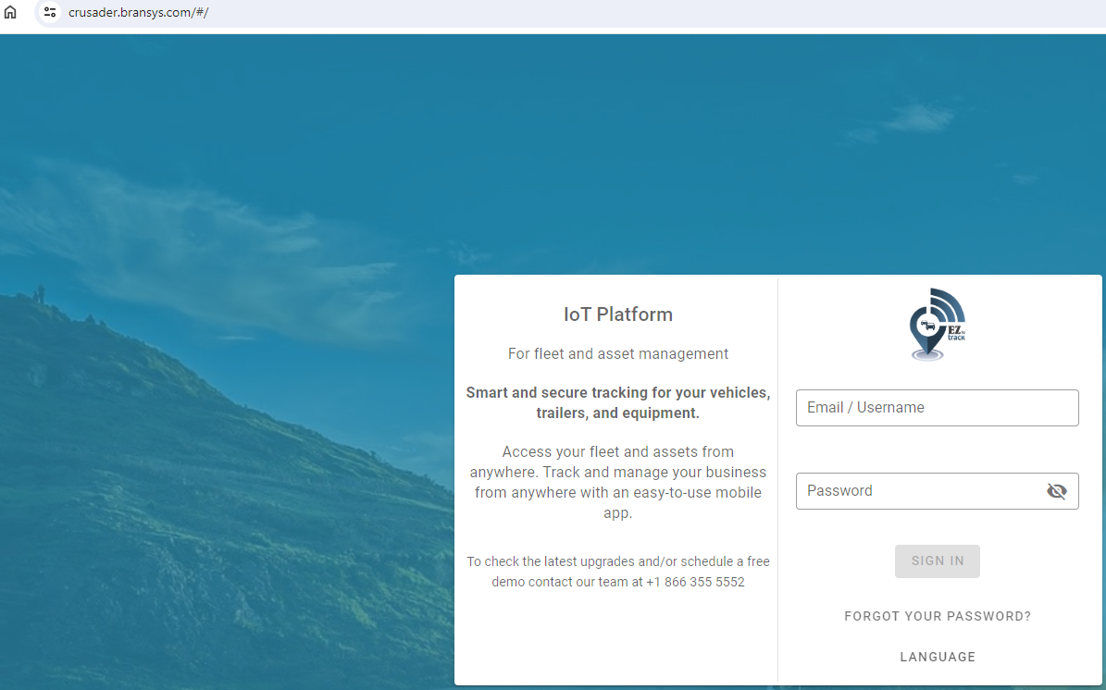

Screenshot 2

Screenshot 3
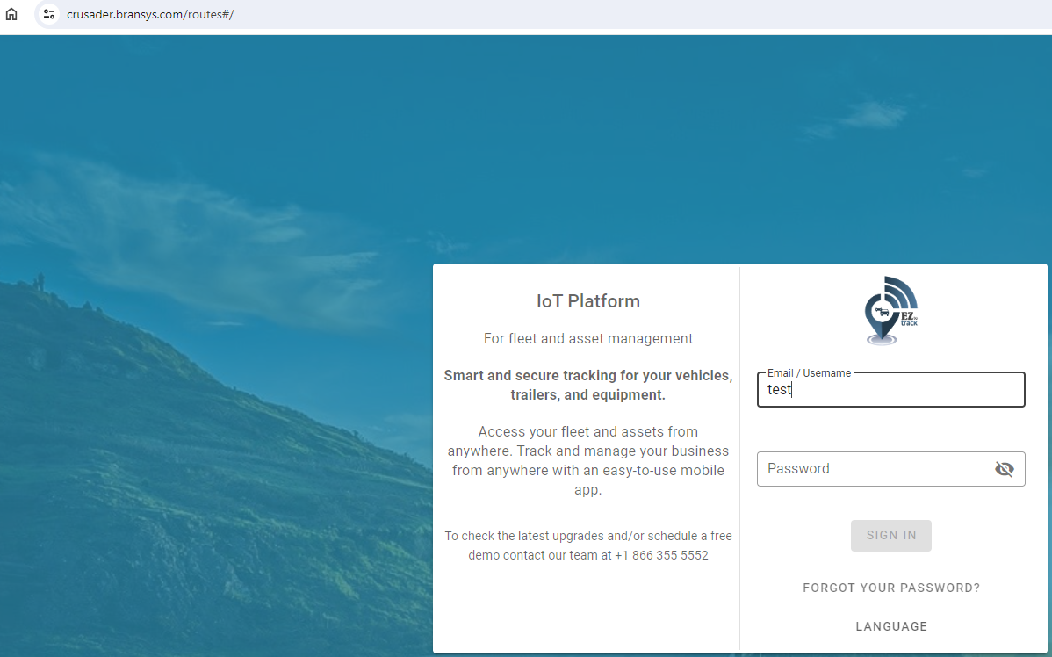

Screenshot 4


Screenshot 5
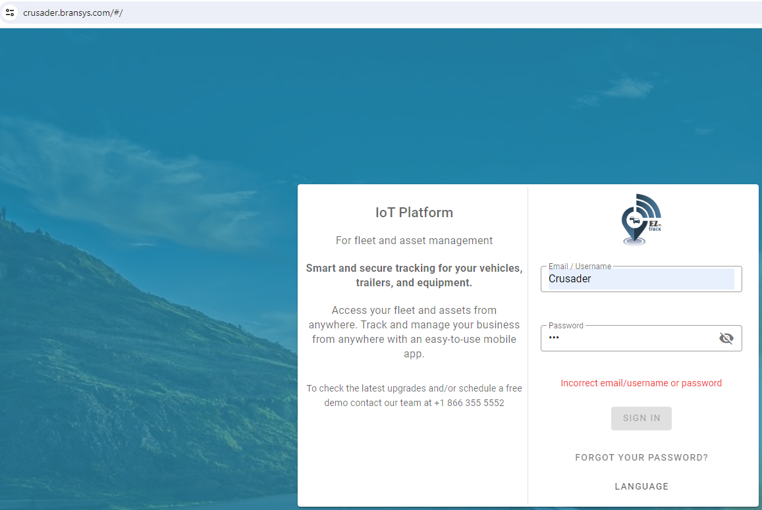

Screenshot 6
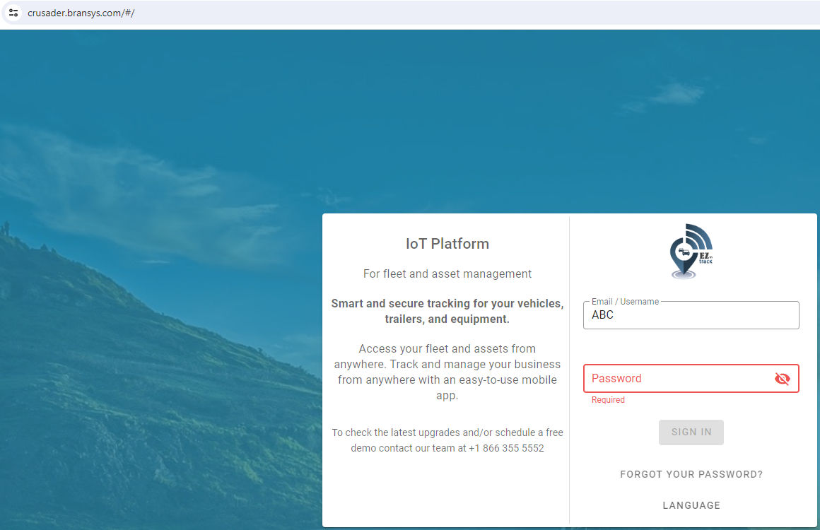

Screenshot 7


Screenshot 8

